SPEC
 |  |  |  |  |  |  |  |  |  | 15206
ARTICLE | IMAGE | COLOR | CATEGORY | COMPOSITION | BRAND | GENDER | MADE IN | WHS | RRP | QTY | S | M | L | XL | XXL
HSO02I00053 | 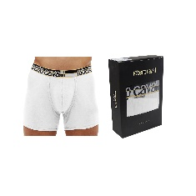 | WHITE | BOXER 2PACK | 95%COTTON5%ELASTAN | ROBERTO CAVALLI | MAN | CHINA | € 25 | € 69 | 473 | 23 |  | 329 | 121
HSO02I04500 | 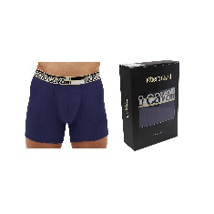 | BLUE | BOXER 2PACK | 95%COTTON5%ELASTAN | ROBERTO CAVALLI | MAN | CHINA | € 25 | € 69 | 1938 | 175 | 162 | 718 | 644 | 239
HSO02I05014 | 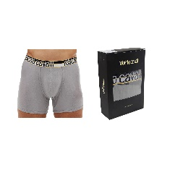 | GREY | BOXER 2PACK | 95%COTTON5%ELASTAN | ROBERTO CAVALLI | MAN | CHINA | € 25 | € 69 | 7314 | 703 | 1187 | 2704 | 1974 | 746
HSO02I05051 | 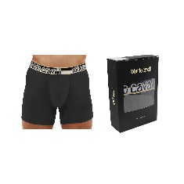 | BLACK | BOXER 2PACK | 95%COTTON5%ELASTAN | ROBERTO CAVALLI | MAN | CHINA | € 25 | € 69 | 5481 | 739 | 472 | 2492 | 1230 | 548

